Catalog Report
Category desk

Sr No. | Image | Product Name | Internal Reference | Product Type | Category | UOM | Price | Description

1 | 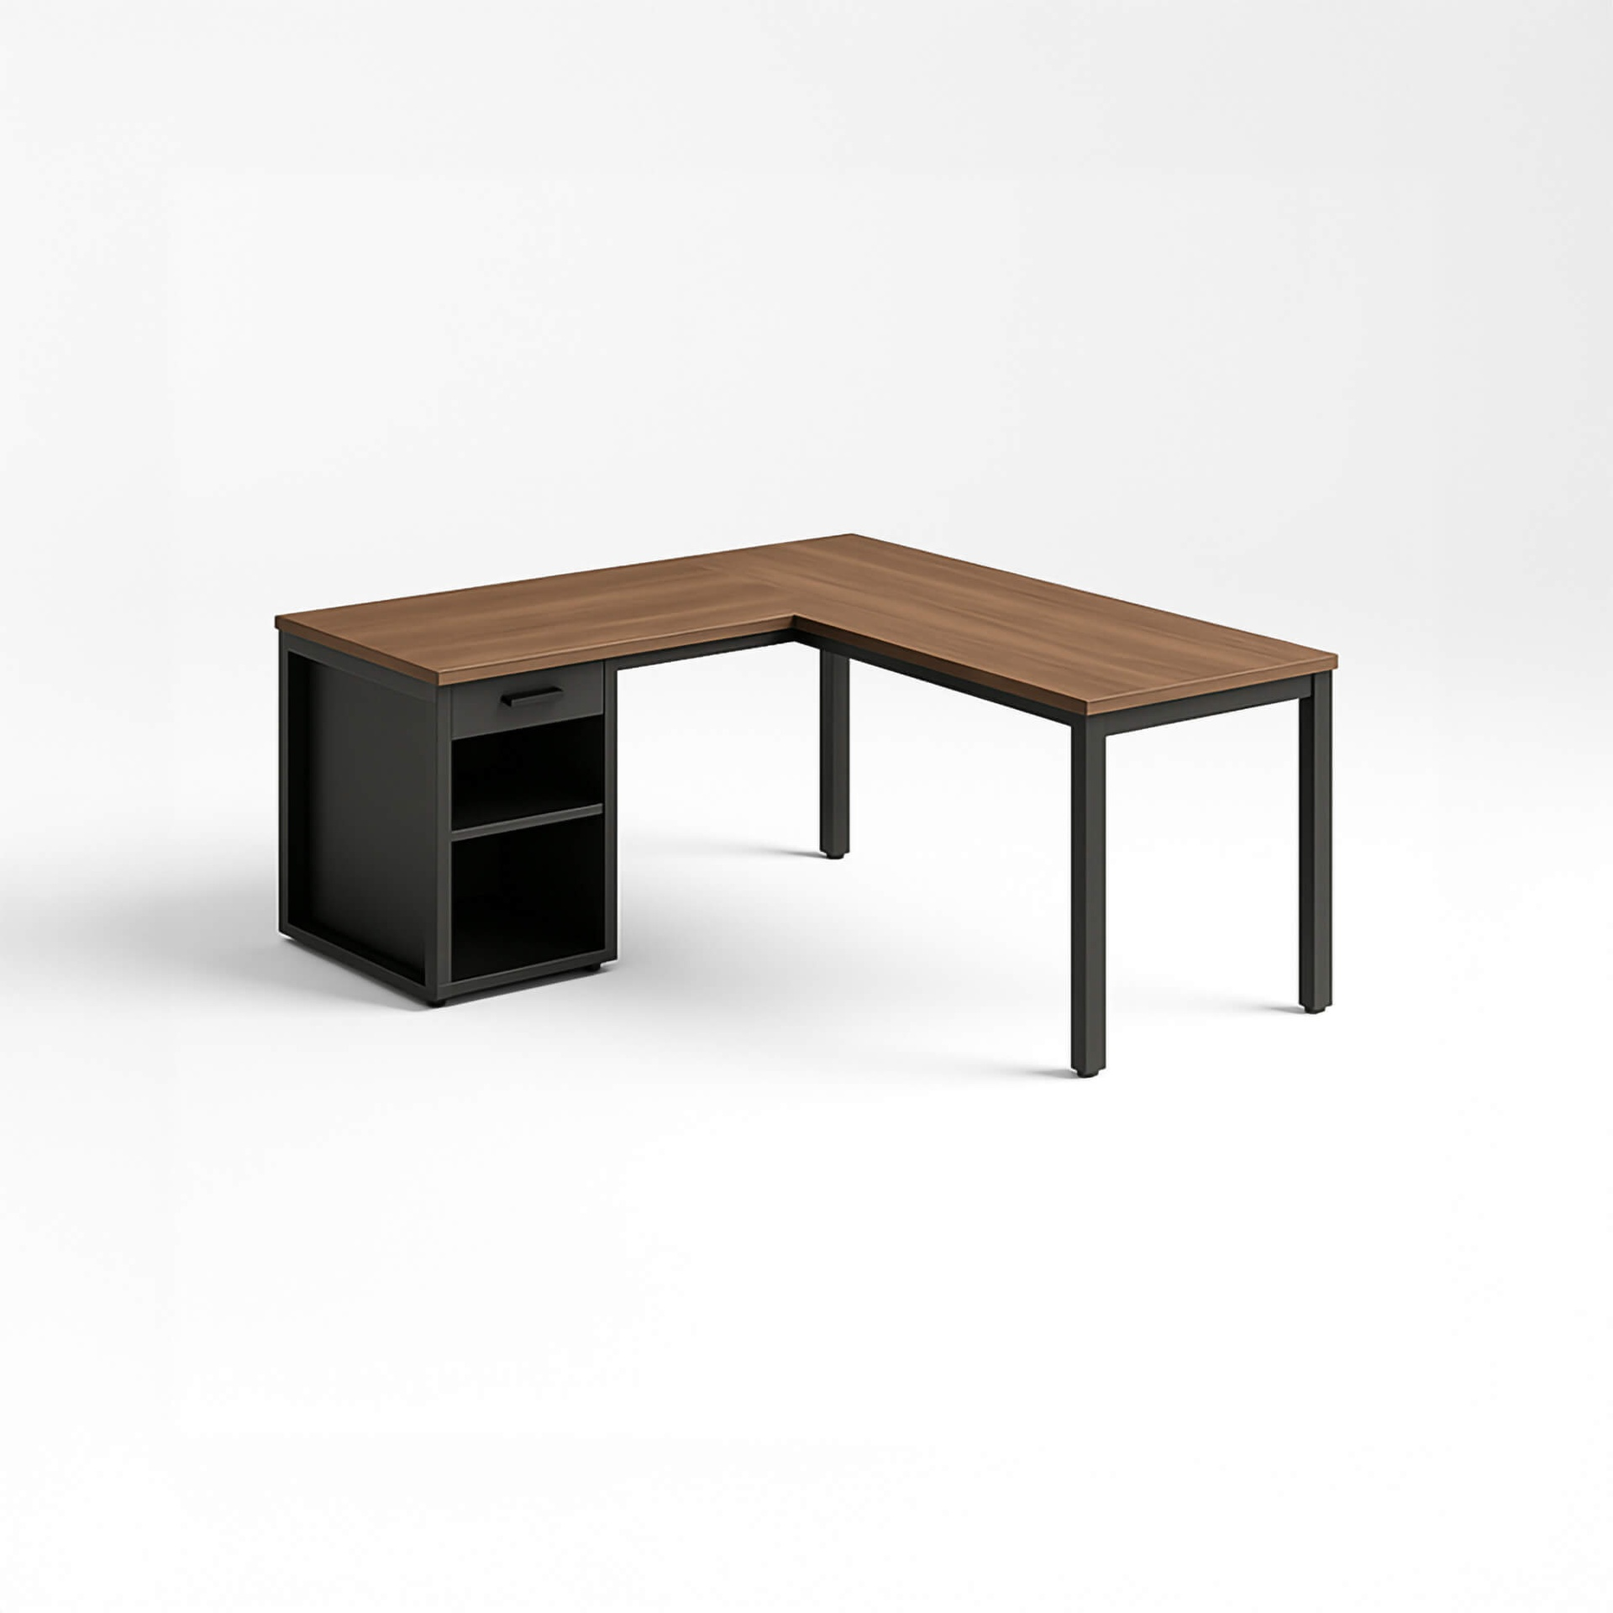 | [E-COM06] Corner Desk Right Sit | E-COM06 | Goods | Office | Units | 147 | Not Found
2 | 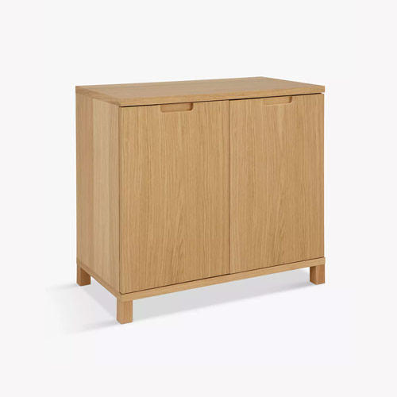 | [E-COM07] Large Cabinet | E-COM07 | Goods | Office | Units | 320 | Not Found
3 | 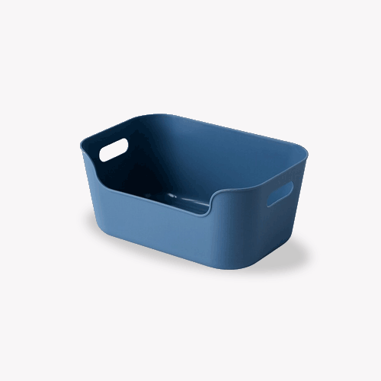 | [E-COM08] Storage Box | E-COM08 | Goods | Office | Units | 15.8 | Not Found
4 | 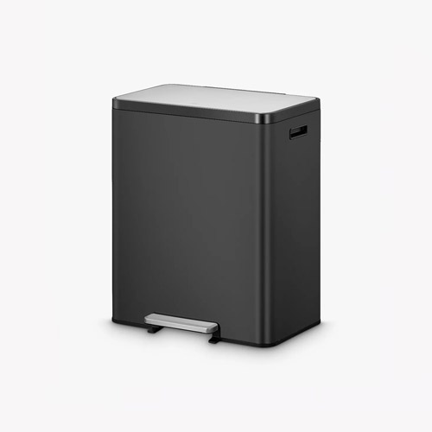 | [E-COM10] Pedal Bin | E-COM10 | Goods | Office | Units | 47 | Not Found
5 | 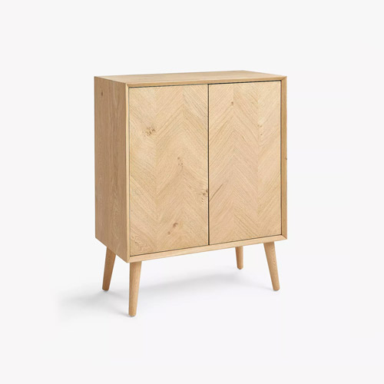 | [E-COM11] Cabinet with Doors | E-COM11 | Goods | Office | Units | 140
6 | 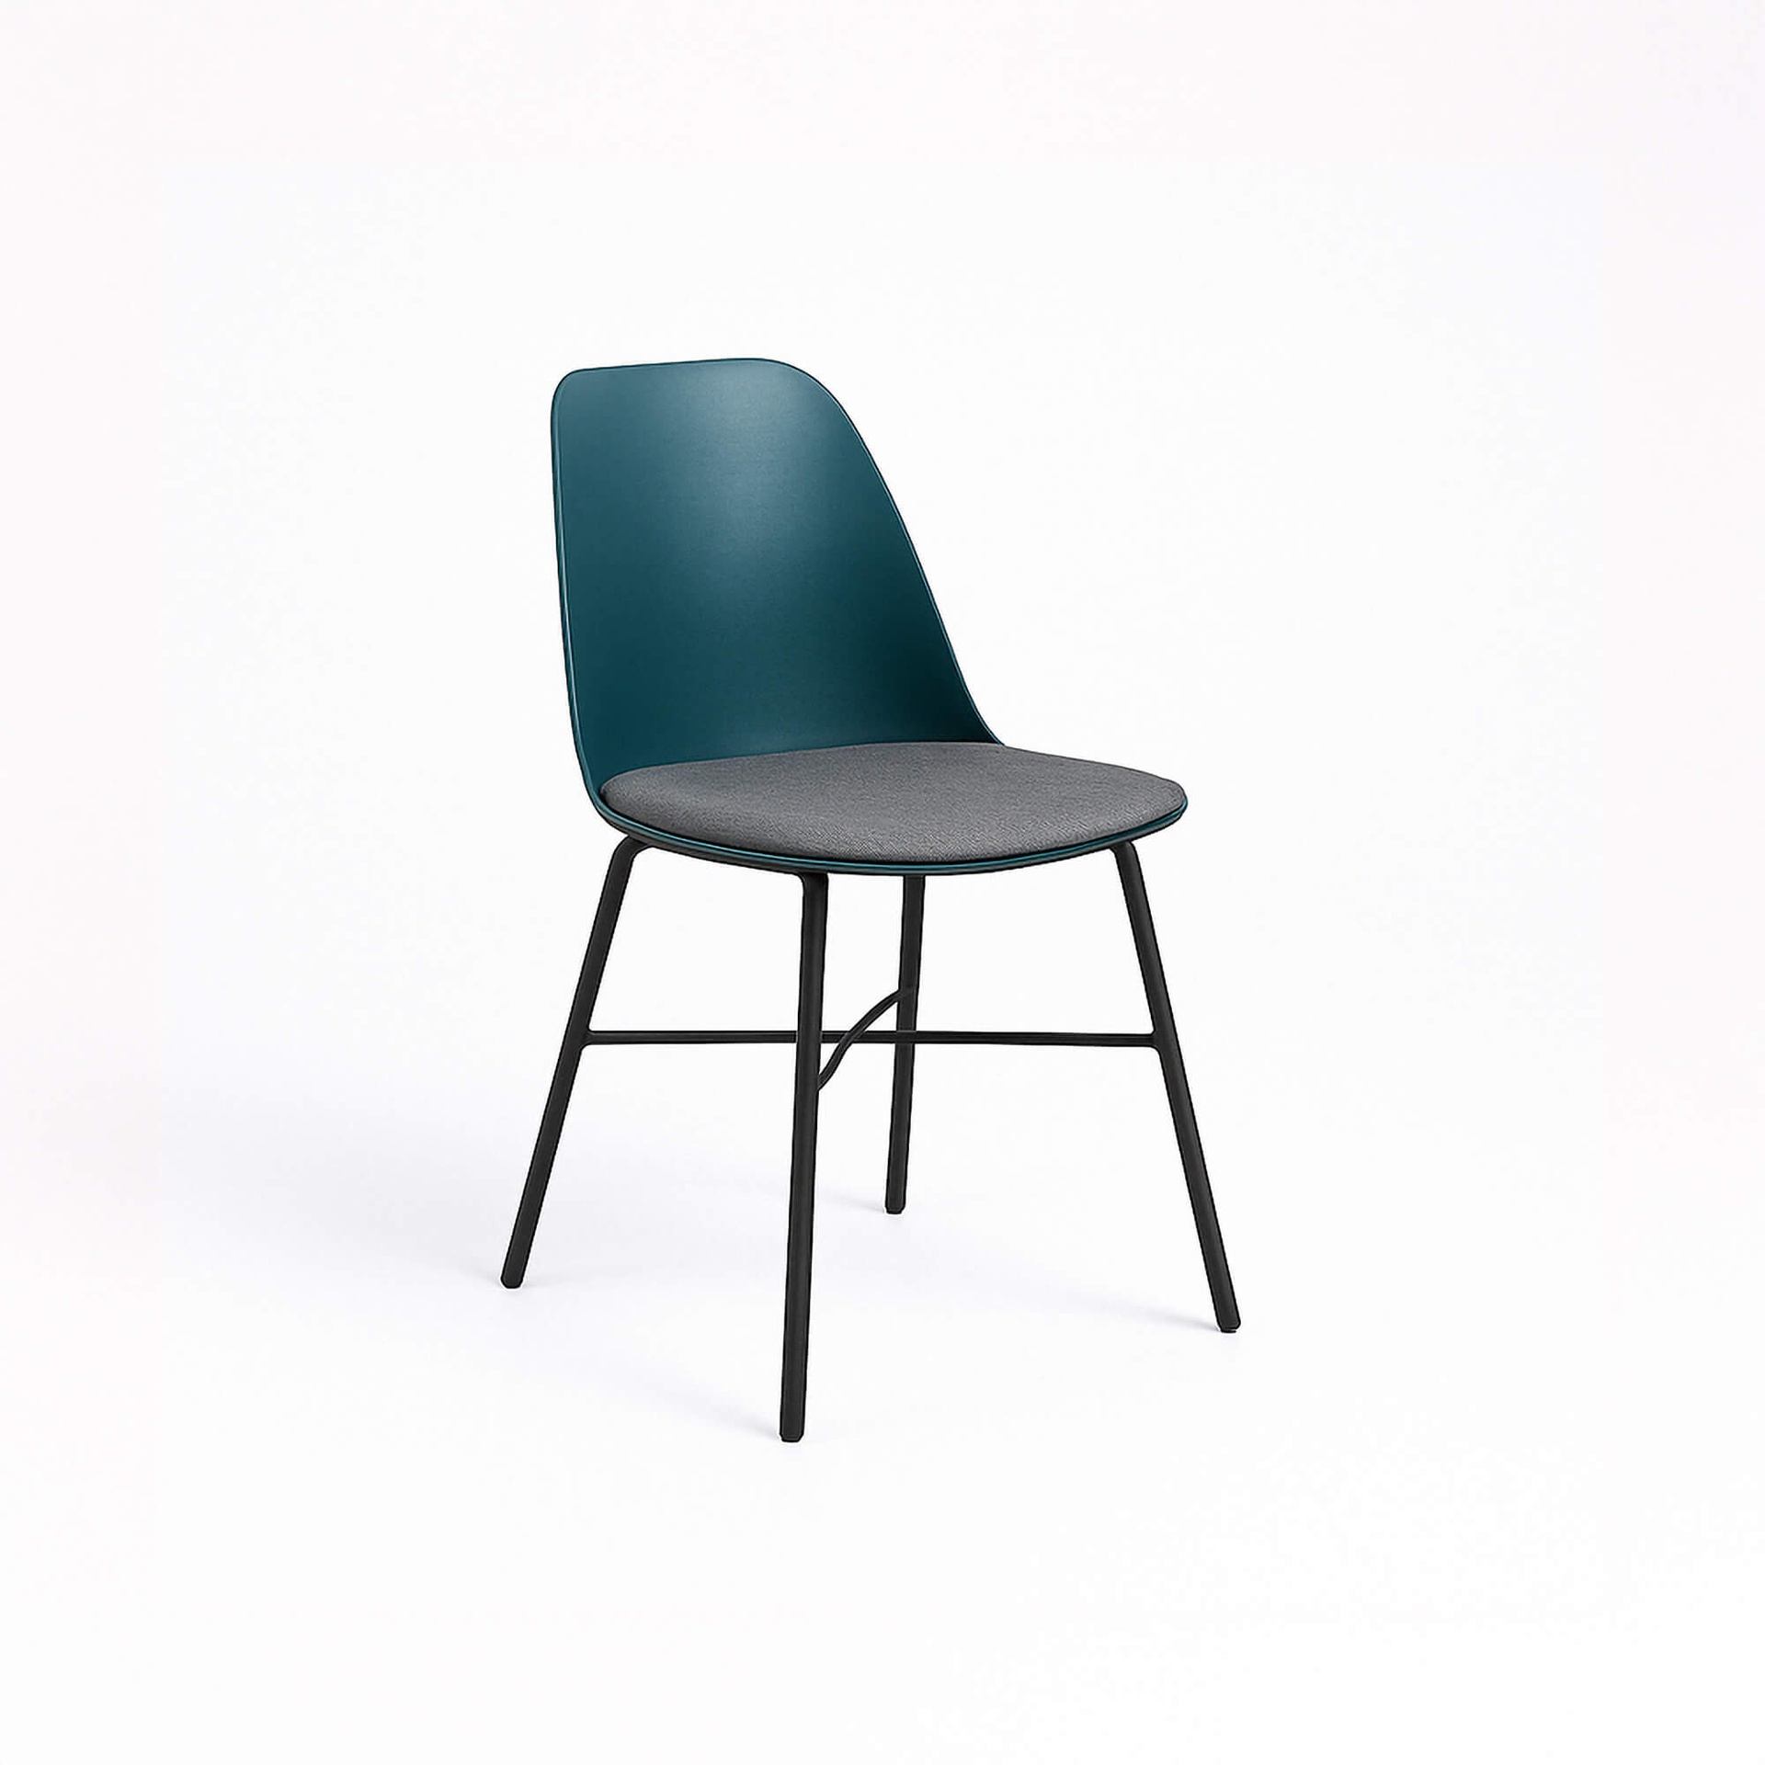 | [E-COM12] Conference Chair (Steel) | E-COM12 | Goods | Office | Units | 33 | Not Found
7 | 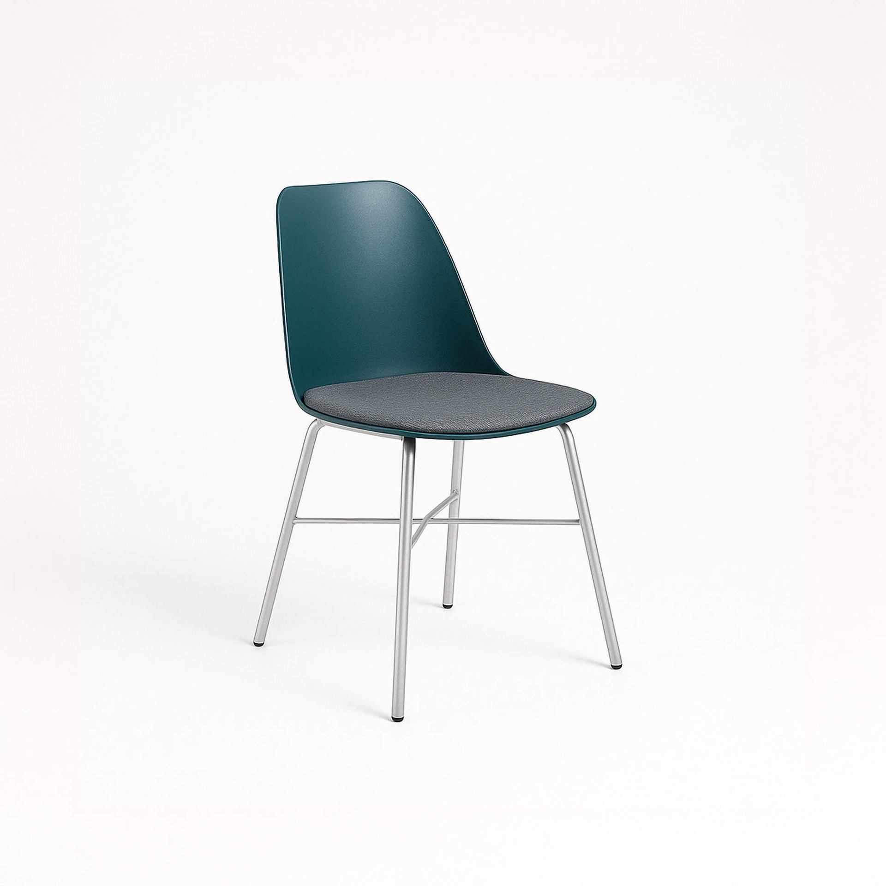 | [E-COM13] Conference Chair (Aluminium) | E-COM13 | Goods | Office | Units | 39.4 | Not Found
8 | 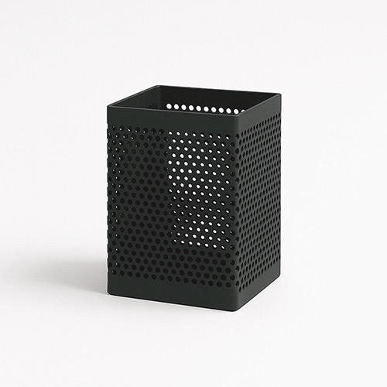 | [FURN_0001] Desk Organizer | FURN_0001 | Goods | Office | Units | 5.1 | Not Found
9 | 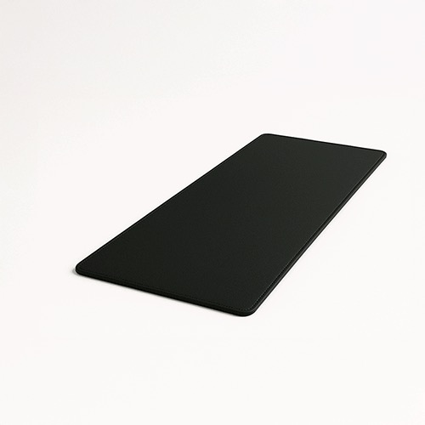 | [FURN_0002] Desk Pad | FURN_0002 | Goods | Office | Units | 1.98 | Not Found
10 | 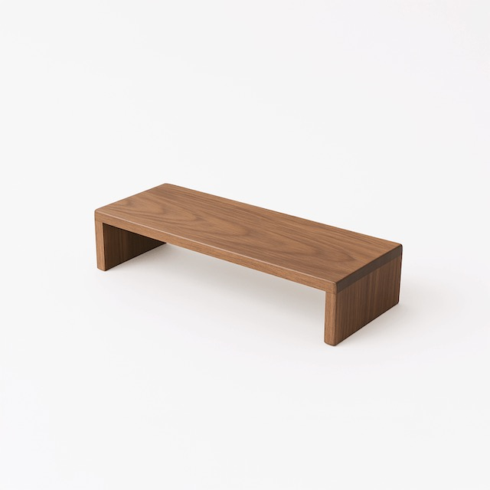 | [FURN_0006] Monitor Stand | FURN_0006 | Goods | Office | Units | 3.19 | Not Found
11 | 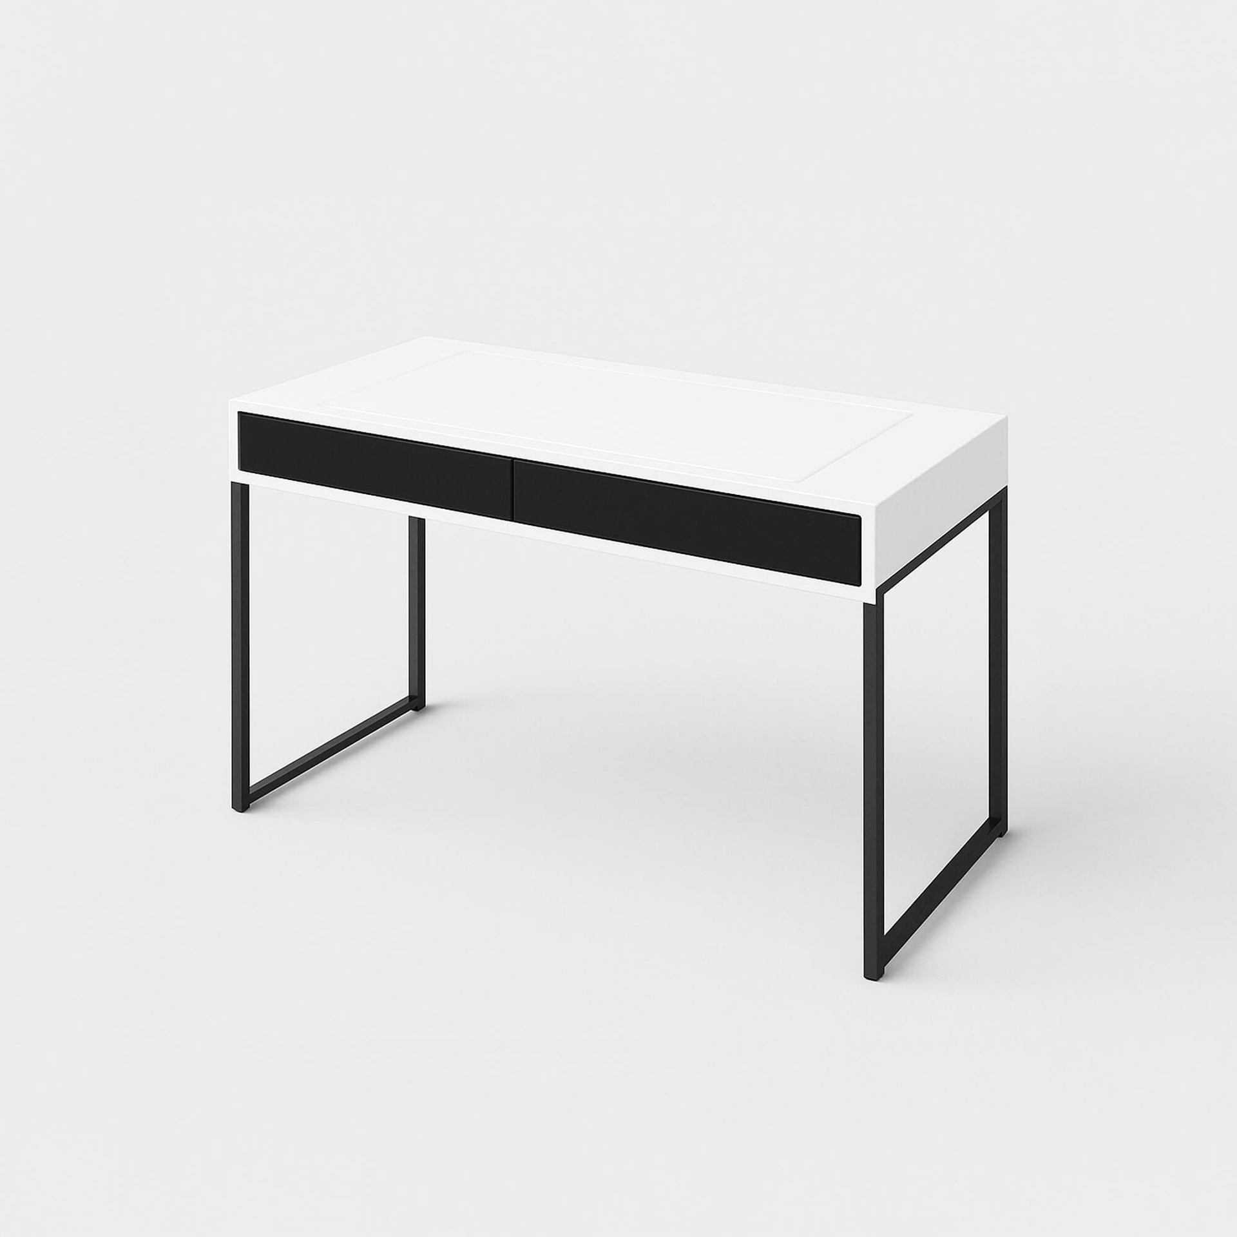 | [FURN_0096] Customizable Desk (White, Steel) | FURN_0096 | Goods | Office | Units | 750 | Not Found
12 | 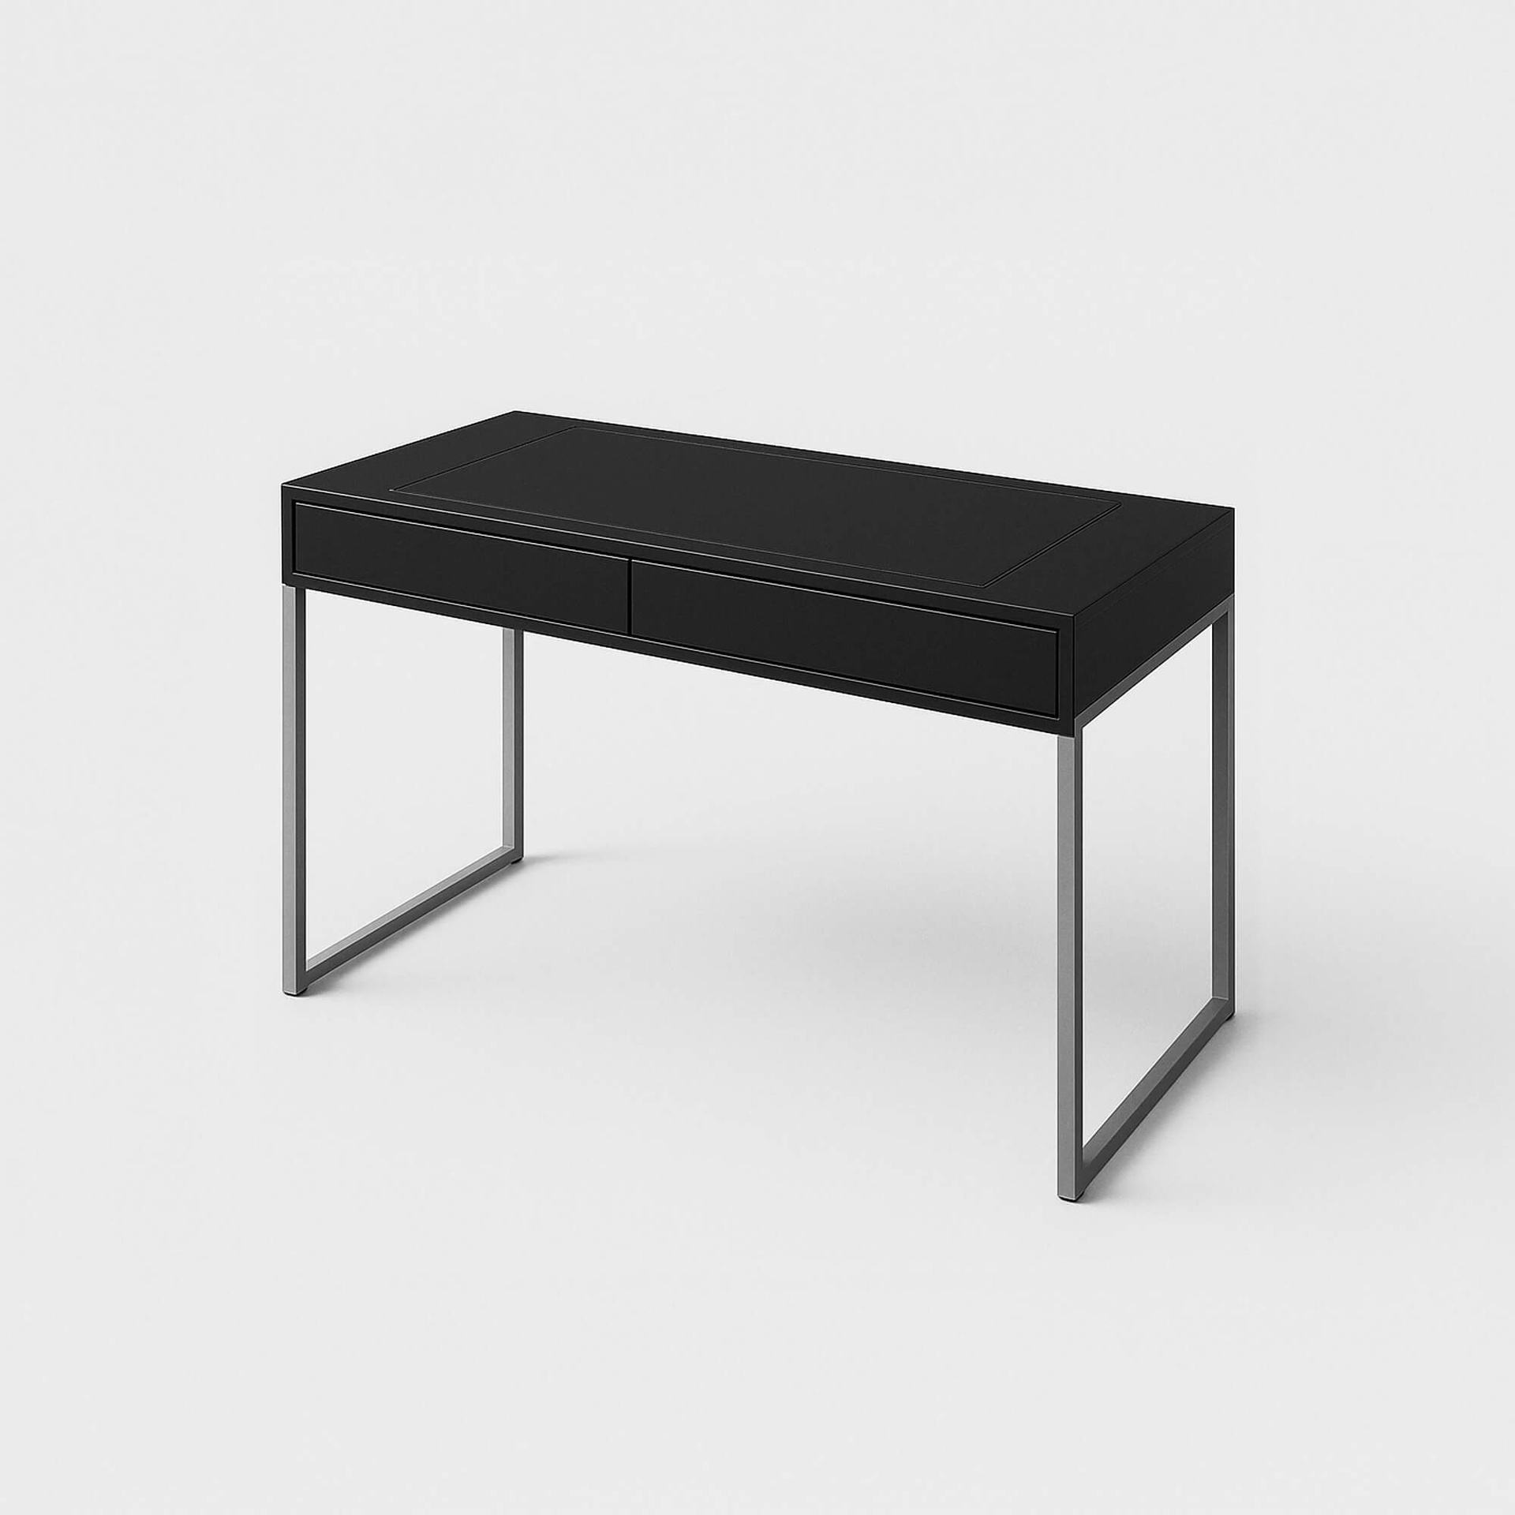 | [FURN_0097] Customizable Desk (Black, Steel) | FURN_0097 | Goods | Office | Units | 750 | Not Found
13 | 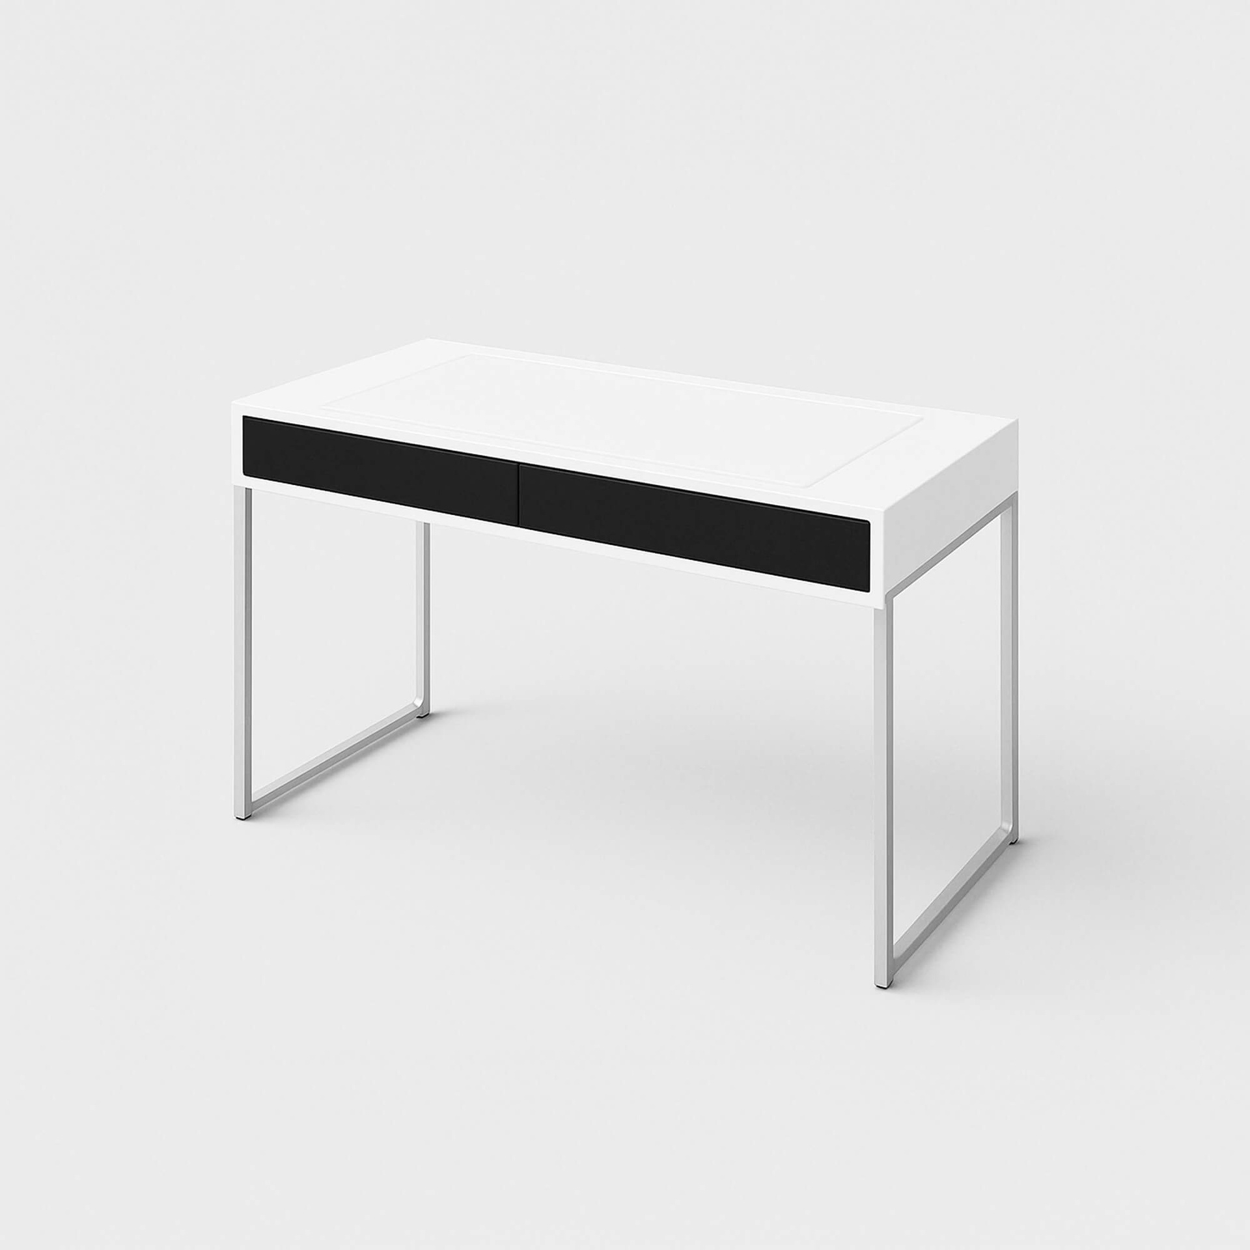 | [FURN_0098] Customizable Desk (White, Aluminium) | FURN_0098 | Goods | Office | Units | 800.4 | Not Found
14 | 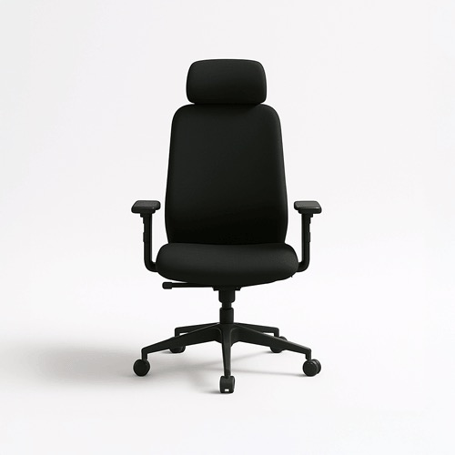 | [FURN_0269] Office Chair Black | FURN_0269 | Goods | Office | Units | 120.5 | Not Found
15 | 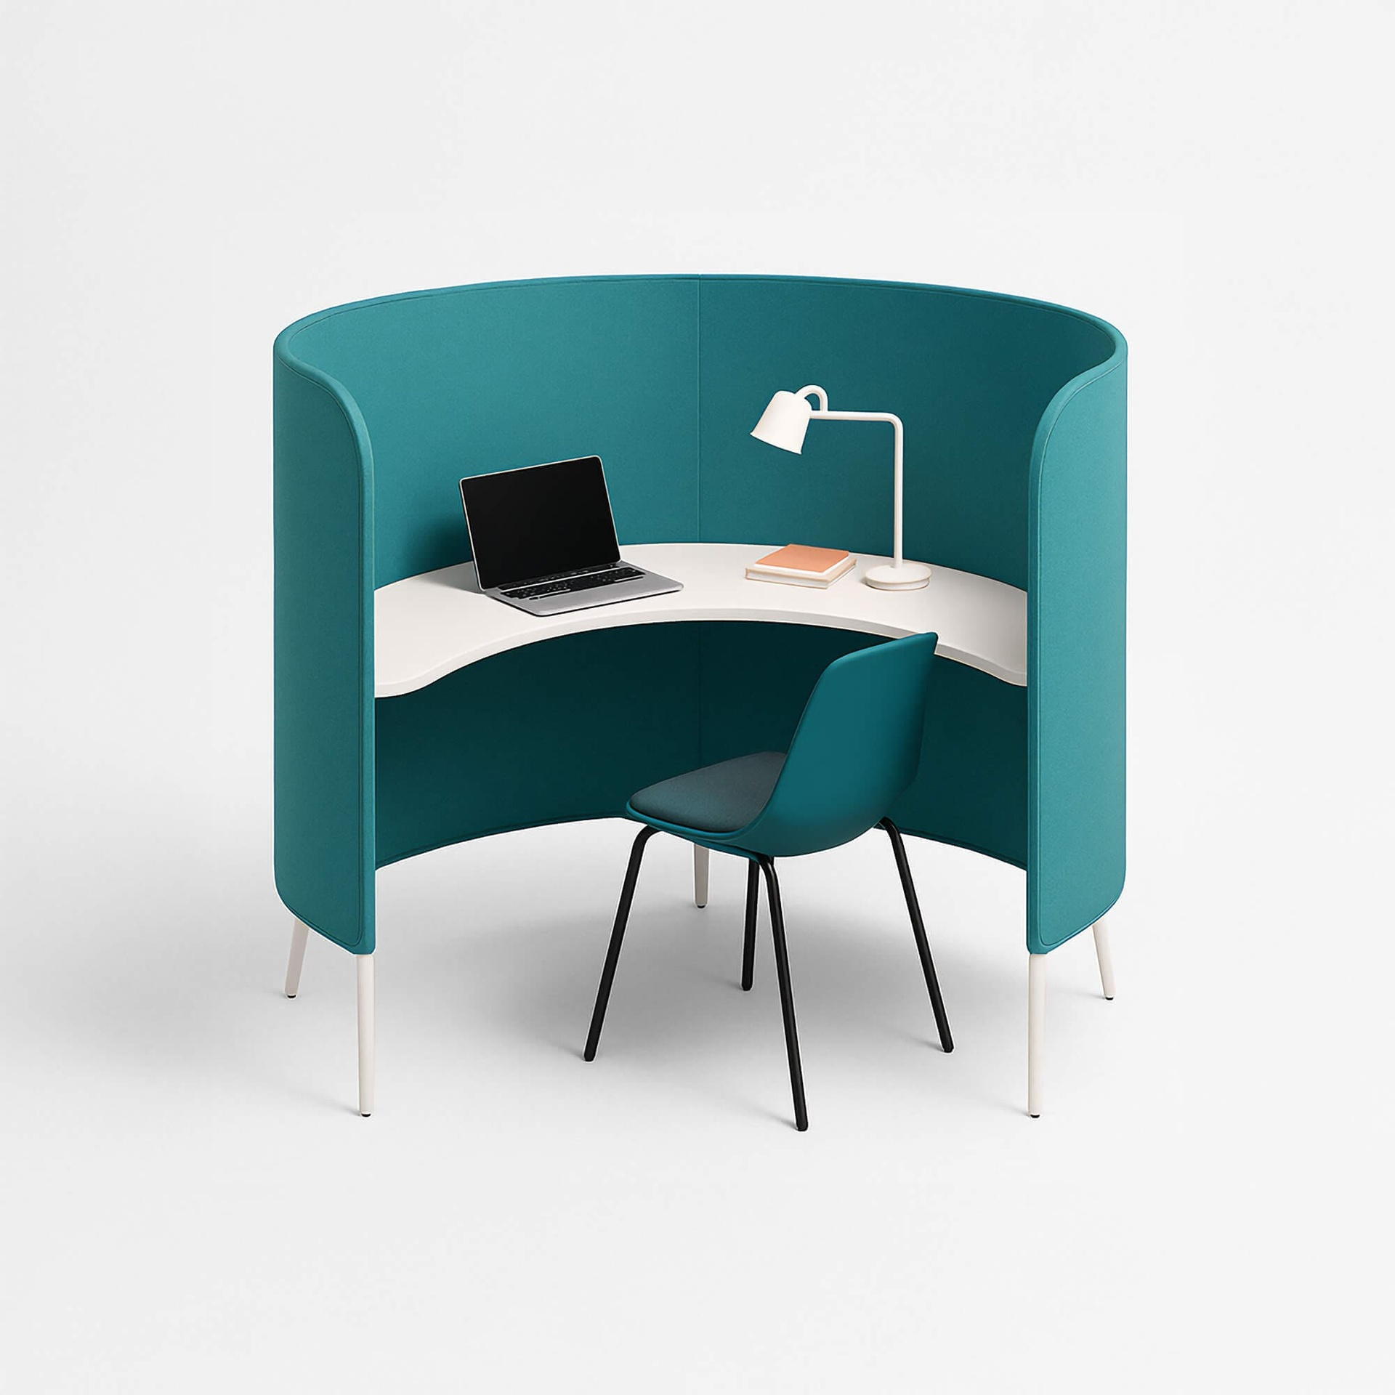 | [FURN_0789] Individual Workplace | FURN_0789 | Goods | Office | Units | 885 | Not Found
16 | 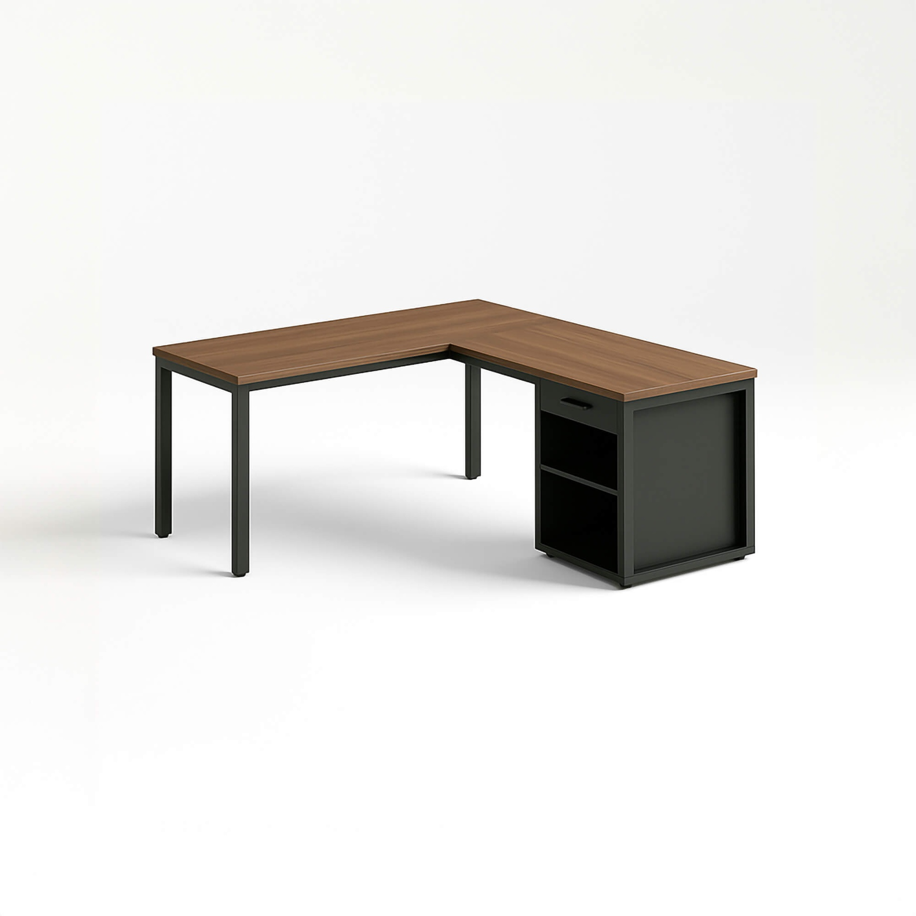 | [FURN_1118] Corner Desk Left Sit | FURN_1118 | Goods | Office | Units | 85 | A Corner Desk Left Sit typically refers to a type of corner desk where the user sits on the left side of the desk. These desks are designed to be placed in the corner of a room, maximizing available space by utilizing two walls for a more efficient workspace. They offer a range of configurations depending on the user's needs.
17 | 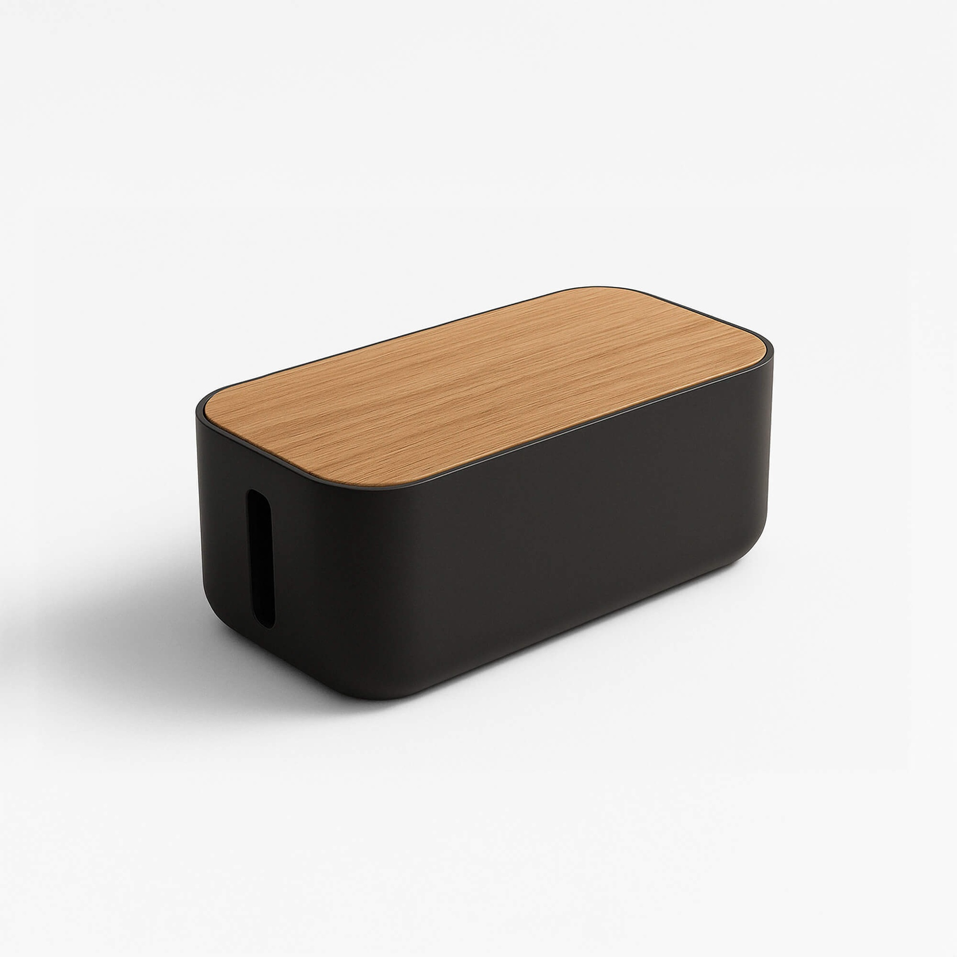 | [FURN_5555] Cable Management Box | FURN_5555 | Goods | Office | Units | 100 | Not Found
18 | 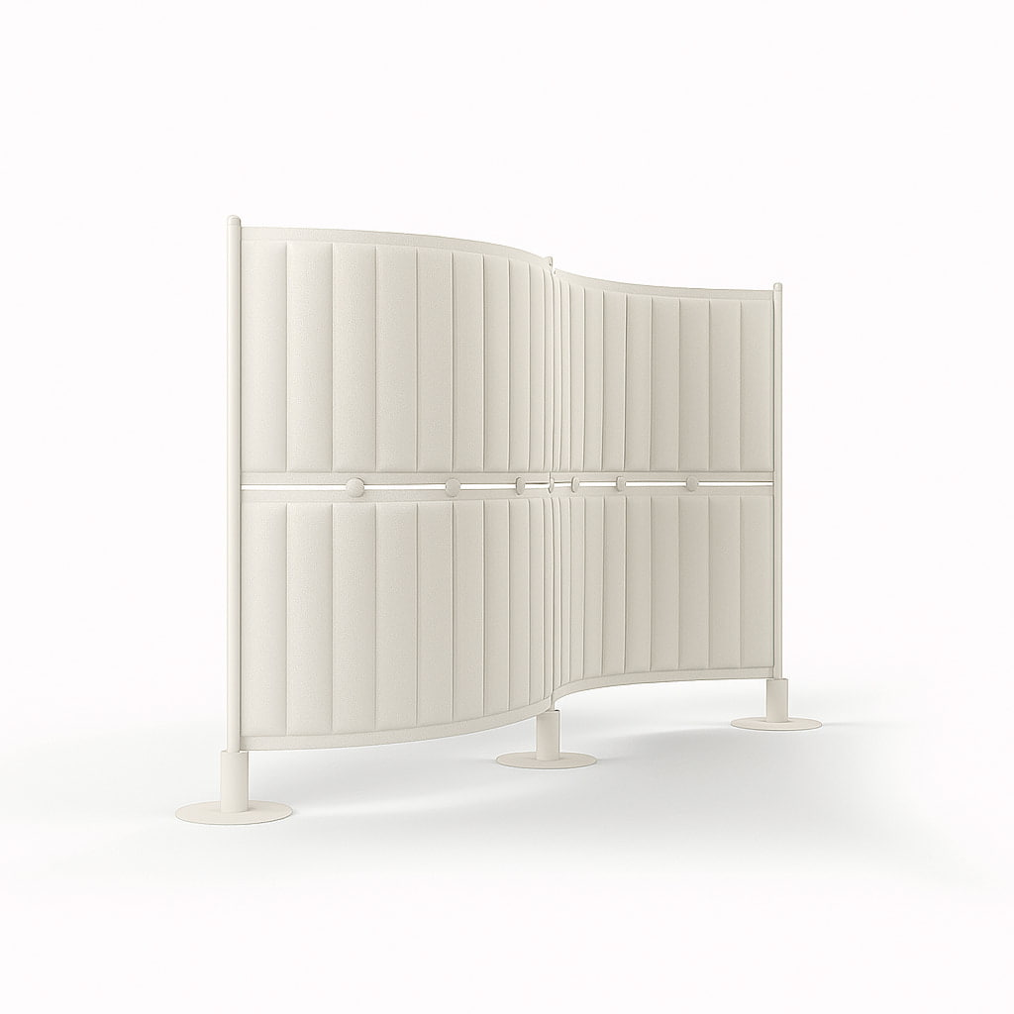 | [FURN_6666] Acoustic Bloc Screens (White) | FURN_6666 | Goods | Office | Units | 295 | Acoustic Bloc Screens are soundproofing solutions designed to minimize noise pollution and improve acoustic performance in various spaces. These screens are typically used in environments where sound control is essential, such as open-plan offices, recording studios, manufacturing areas, or any location where high noise levels can be disruptive.
19 | 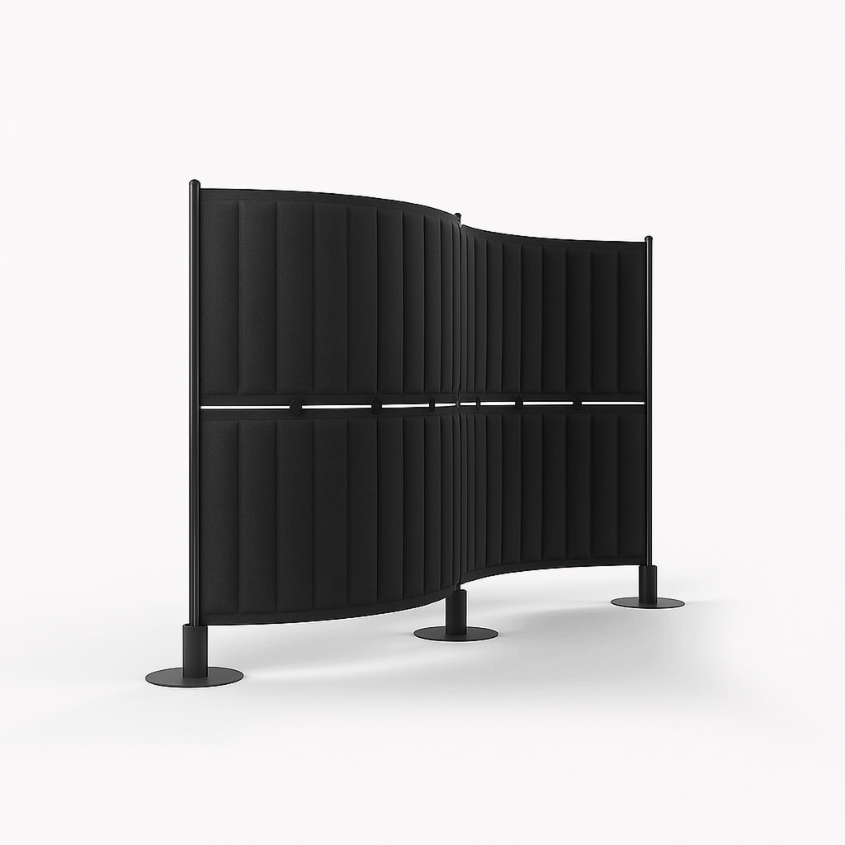 | [FURN_6667] Acoustic Bloc Screens (Black) | FURN_6667 | Goods | Office | Units | 295 | Acoustic Bloc Screens are soundproofing solutions designed to minimize noise pollution and improve acoustic performance in various spaces. These screens are typically used in environments where sound control is essential, such as open-plan offices, recording studios, manufacturing areas, or any location where high noise levels can be disruptive.
20 | 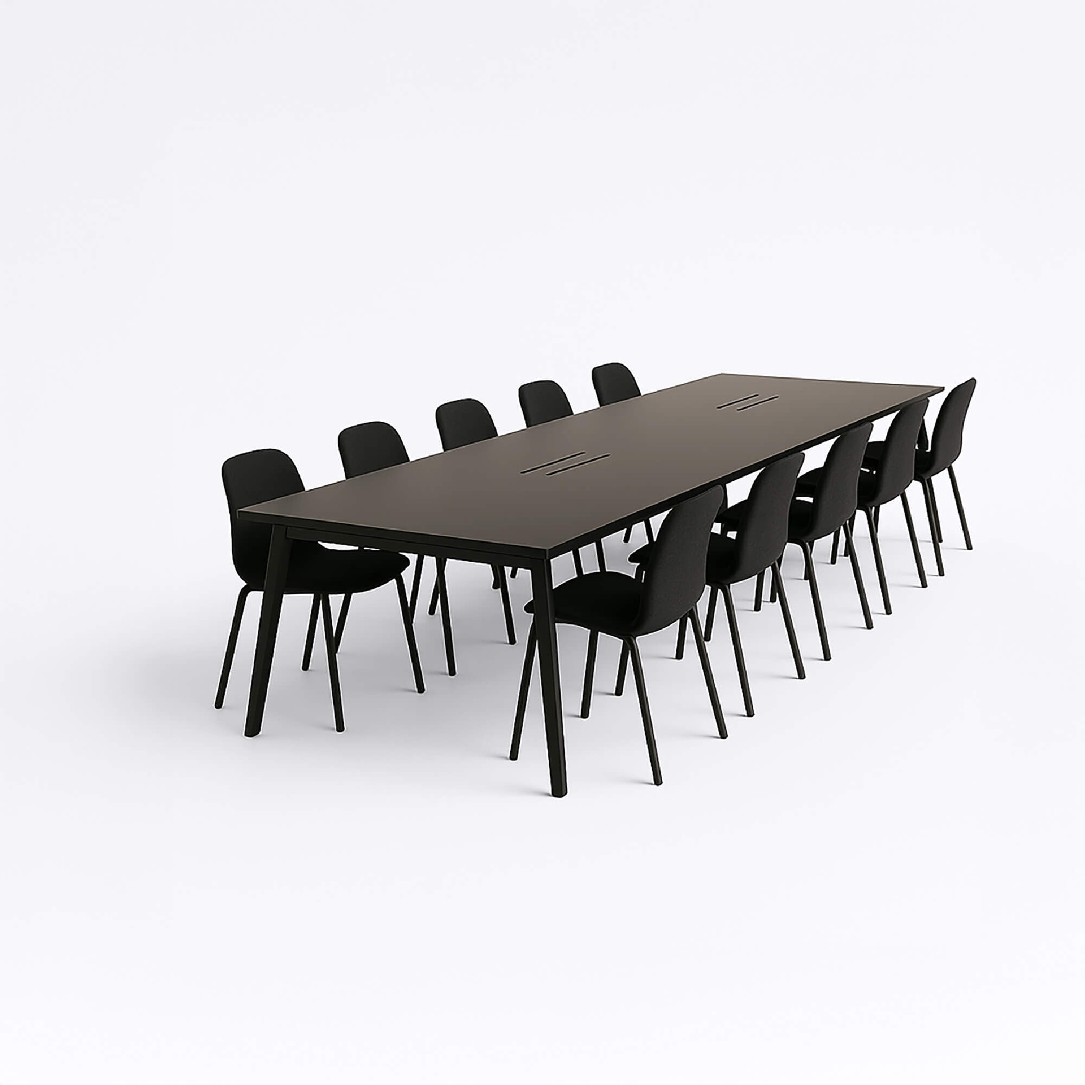 | [FURN_6741] Large Meeting Table | FURN_6741 | Goods | Office | Units | 4000 | Not Found
21 | 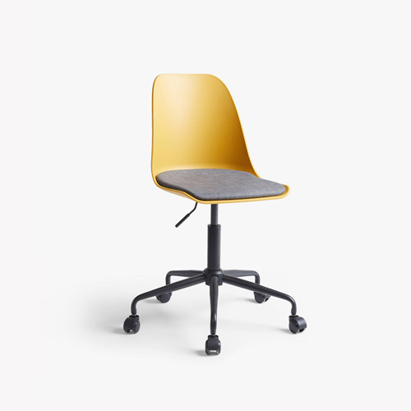 | [FURN_7777] Office Chair | FURN_7777 | Goods | Office | Units | 70 | Not Found
22 | 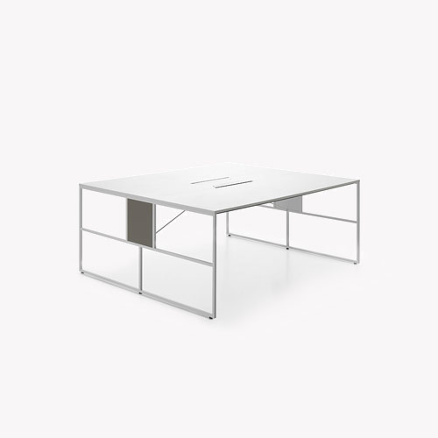 | [FURN_7800] Desk Combination | FURN_7800 | Goods | Office | Units | 450 | Not Found
23 | 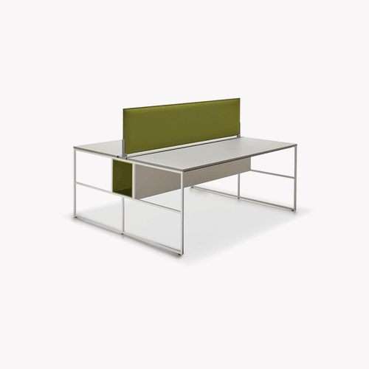 | [FURN_7888] Desk Stand with Screen | FURN_7888 | Goods | Office | Units | 2100 | Not Found
24 | 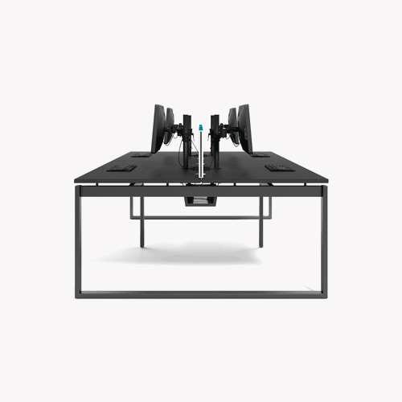 | [FURN_8220] Four Person Desk | FURN_8220 | Goods | Office | Units | 2350 | Not Found
25 | 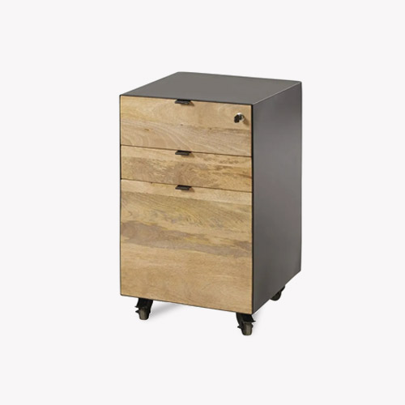 | [FURN_8855] Drawer | FURN_8855 | Goods | Office | Units | 110.5
26 | 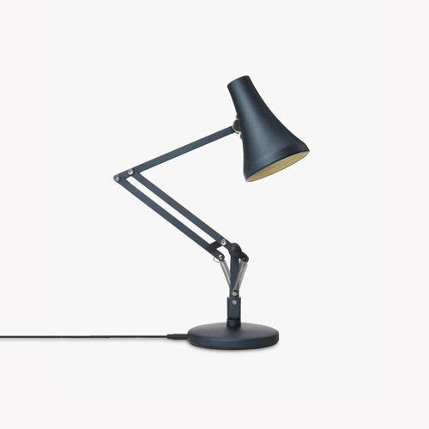 | [FURN_8888] Office Lamp | FURN_8888 | Goods | Office | Units | 40 | Not Found
27 | 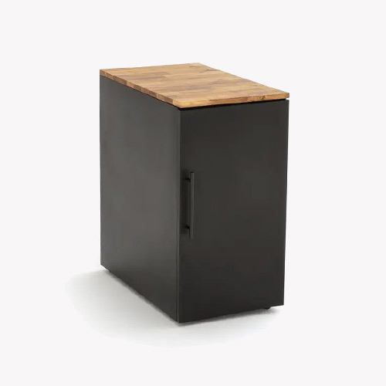 | [FURN_8900] Drawer Black | FURN_8900 | Goods | Office | Units | 25 | Not Found
28 | 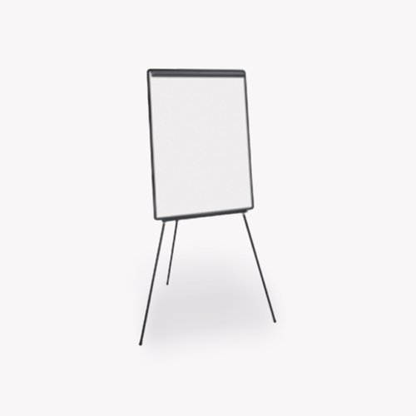 | [FURN_9001] Flipover | FURN_9001 | Goods | Office | Units | 1950 | Not Found
29 | 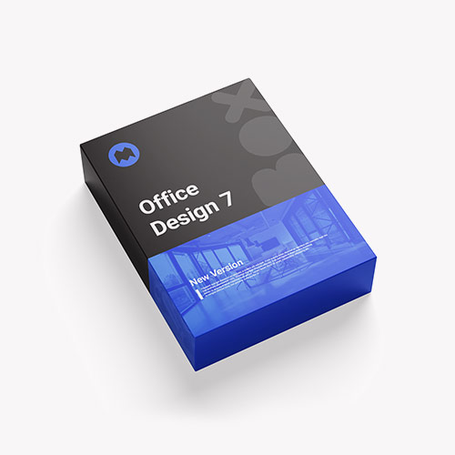 | [FURN_9999] Office Design Software | FURN_9999 | Goods | Office | Units | 280 | Not Found
30 |  | Customizable Desk (White, Custom) | Not Available | Goods | Office | Units | 750 | Not Found
31 |  | Customizable Desk (Black, Custom) | Not Available | Goods | Office | Units | 750 | Not Found
32 | 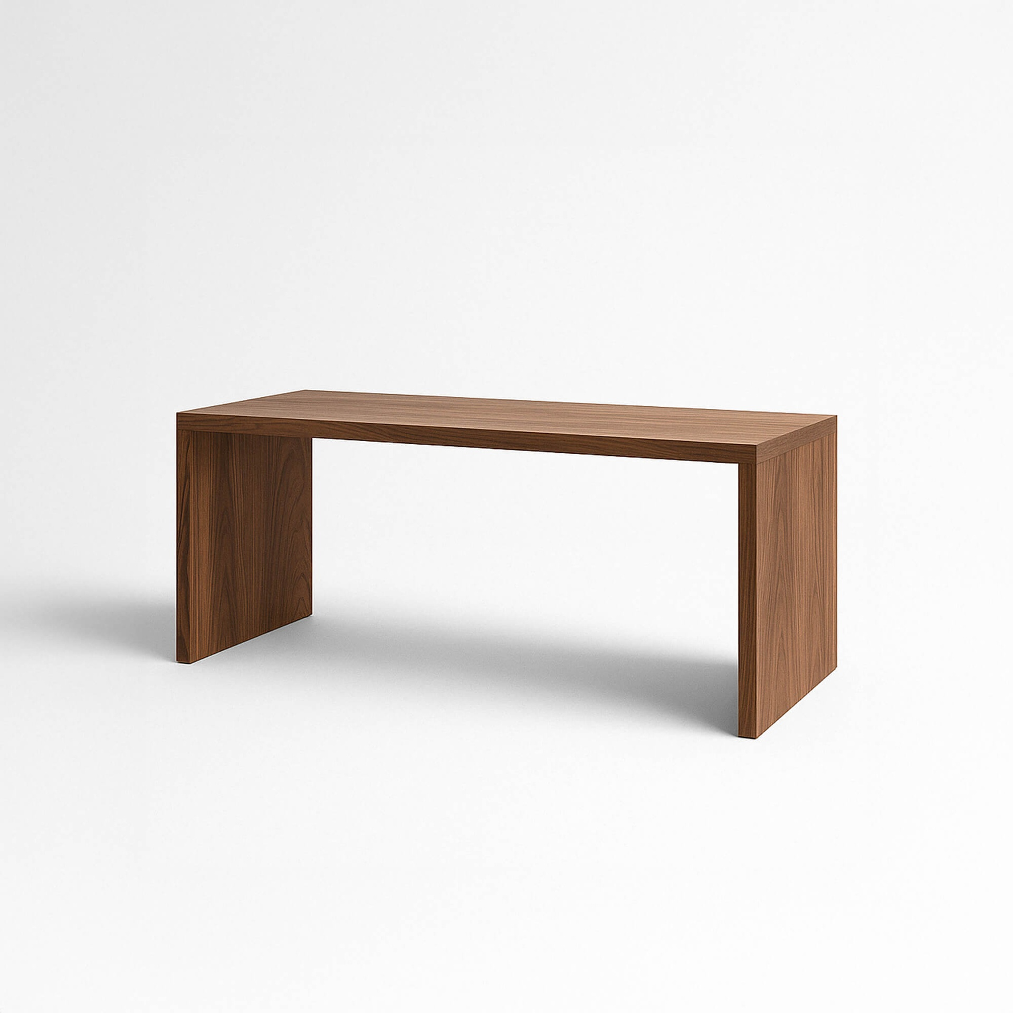 | Large Desk (Wood) | Not Available | Goods | Office | Units | 1799 | Not Found
33 | 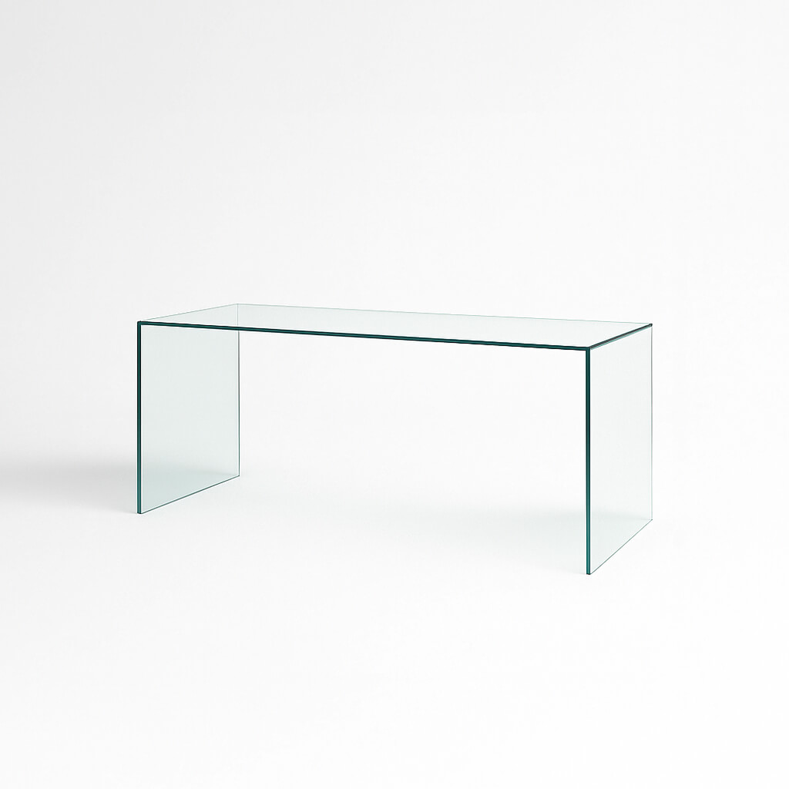 | Large Desk (Glass) | Not Available | Goods | Office | Units | 1849 | Not Found
34 | 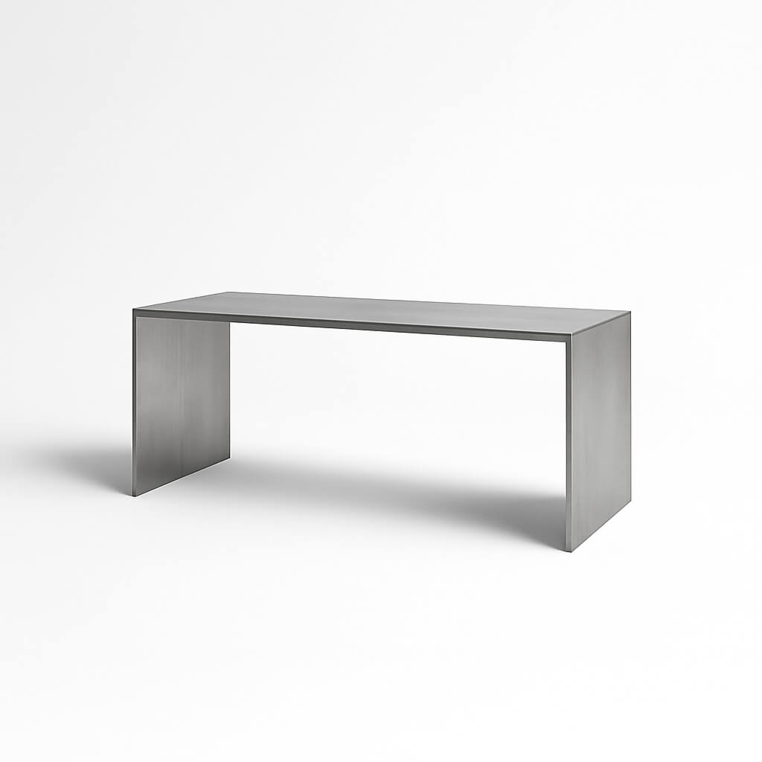 | Large Desk (Metal) | Not Available | Goods | Office | Units | 1799 | Not Found
35 | 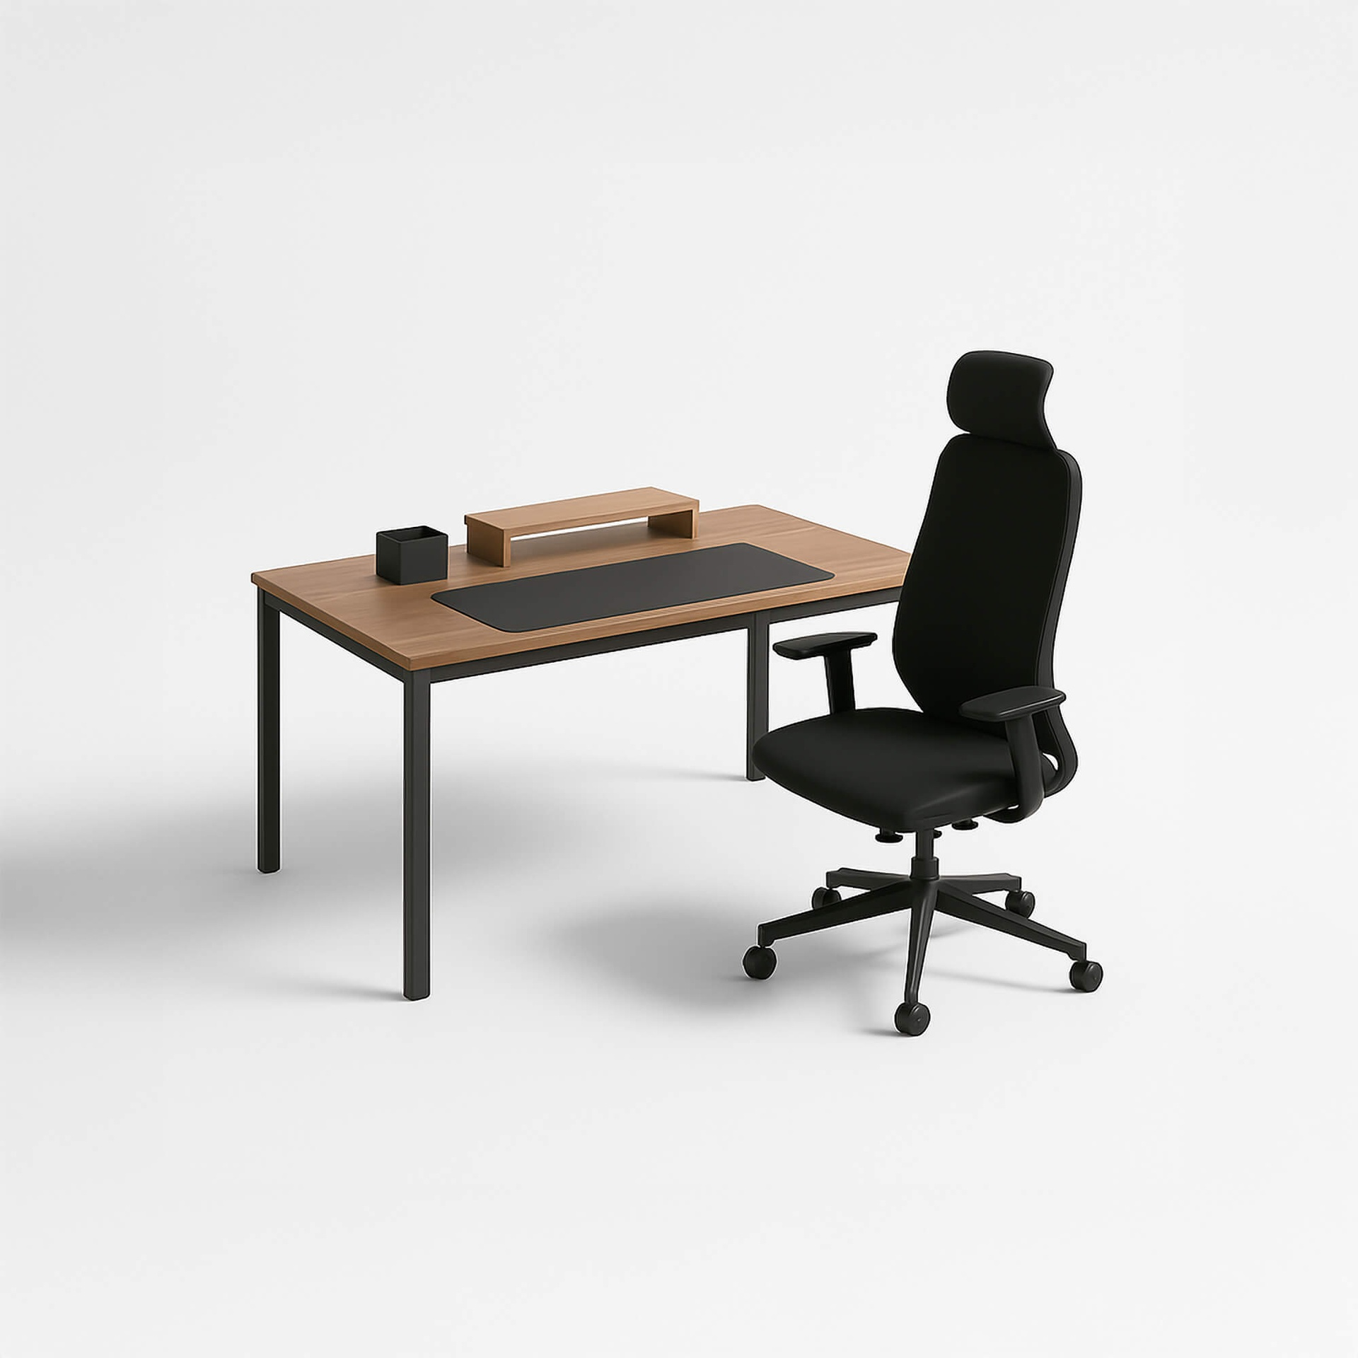 | Office Combo | Not Available | Combo | Office | Units | 160 | Not Found
36 | 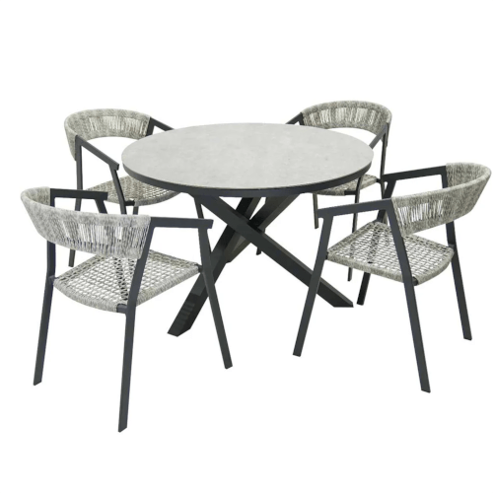 | Outdoor dining table | Not Available | Goods | Outdoor | Units | 589 | Not Found
37 | 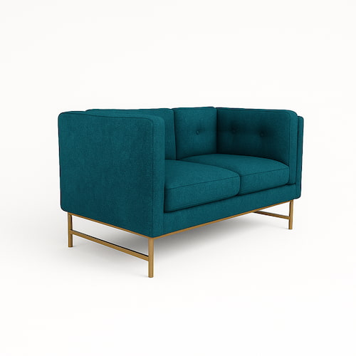 | Two-Seat Sofa (Linen) | Not Available | Goods | Office | Units | 1500 | Not Found
38 | 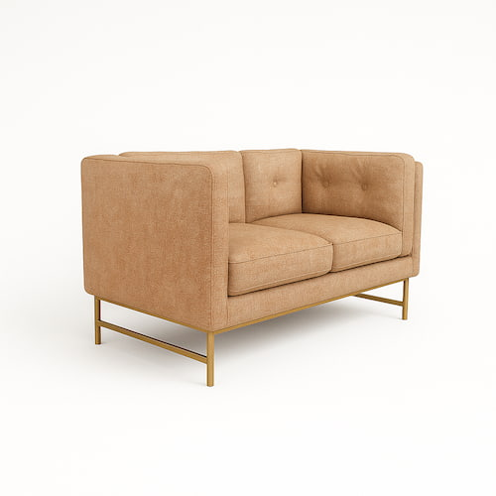 | Two-Seat Sofa (Velvet) | Not Available | Goods | Office | Units | 1500 | Not Found
39 | 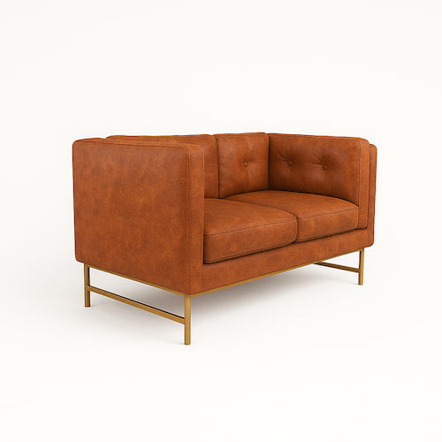 | Two-Seat Sofa (Leather) | Not Available | Goods | Office | Units | 1500 | Not Found

